1. Title Page
[Basket Analysis]

Project Name: Instacart Basket Analysis
Date: February 2024
Analyst Name: Marisa Costa

Contents:
Population Flow
Consistency checks
Wrangling steps
Column derivations
Visualizations
Recommendations

Data Citation: | “The Instacart Online Grocery Shopping Dataset 2017”, Accessed from www.instacart.com/datasets/grocery-shopping-2017 via Kaggle on February 2024.
 | *Customer data as well as the “prices” column in the products data set, were both fabricated for the purpose of this course

2. Population Flow
Title page

Population flow

Exclusion flag
Condition: max_order < 5
Obervations to be removed: 1 440 295
Final total count of order_products_all: 32 404 859

Orders_products_combined
Orders_products_merged
Orders_products_all

Total: 32 404 859
Total: 32 434 489
Total: 32 404 859

1.) The grey boxes in the first row of the population flow represent the original data sets as they were when you downloaded them. In the Total fields you need to add the count of the rows when you imported the data set into Jupyter.
2.) The second row of boxes (coloured) represents the data sets after you manipulated them, e.g., removed missing values and duplicates. In the Total fields you need to add the count of the rows after conducting these operations. This offers a visual oveview of how the data flows throughout the data consistency checks.
3.) The third row, where also the arrows are coloured, represents the merges you performed between the datasets. In the Total fields you need to add the count of the rows in the merged datasets, so that you end up with the final dataset (in the red box). Keep in mind the final dataset should be without exclusions (based on the exclusion flag).

3. Consistency checks
 |  |  |  | Title page
Consistency checks

Dataset | Missing values | Missing values treatment | Duplicates
orders | 206209 in 'days_since_prior_order' | Represents first order of each user, missing values were not changed or removed
products | 16 in 'product_name' | deleted | 5 duplicates deleted
ords_prods_newvar.pkl | 5127 outliers in 'prices' changed to NaN

4. Wrangling steps
 |  |  |  | Title page
Wrangling steps

Columns dropped | Columns renamed | Columns' type changed | Comment/Reason
eval_set' from orders.csv |  |  | orders.csv - Column is not needed for analysis
 | 'order_dow' to 'orders_day_of_week' |  | orders.csv - Renamed for readability
 |  | user_id | orders.csv - changed from integer to string
 |  | department_id' transposed | department.csv - change from wide format to long format
 |  | user_id | customer.csv - changed from integer to string
 | First Name' to 'first_name' |  | customer.csv - columns renamed for uniformity and readability
 | Surnam' to 'surname' |  | customer.csv - columns renamed for uniformity and readability
 | STATE' to 'state' |  | customer.csv - columns renamed for uniformity and readability
 | Gender' to 'gender' |  | customer.csv - columns renamed for uniformity and readability
 | Age' to 'age' |  | customer.csv - columns renamed for uniformity and readability
'date_joined' |  |  | customer.csv - Column is not needed for analysis
 |  | 'first_name' | customer.csv - changed from integer to string
first_name' |  |  | ords_prods_all.pkl - deleted in addearance to data privacy & security (PII)
surname' |  |  | ords_prods_all.pkl - deleted in addearance to data privacy & security (PII)
gender' |  |  | ords_prods_all.pkl - deleted in addearance to data privacy & security (PII)

5. Column derivations
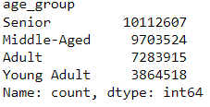
 |  |  |  |  | Title page

Column derivations and aggregations

In this tab you should add tables below that the frequences of flags/label variables that you produced after deriving them. NB: don't do this for continuous variables, only for flags.
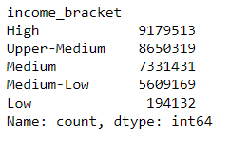
Dataset | New column | Column/s it was derived from | Conditions
orders.csv | is_first_order' | days_since_prior_order' | 1 = first order; 0 = not first order
ords_prods_merge.pkl | price_range_loc' | 'prices' | Low-range product <= 5; Mid-range product >5 or <= to 15; High-range product > 15
ords_prods_merge.pkl | 'busiest_day' | 'orders_day_of_week' | Busiest days == 0 (Saturdays); Least busy days == 4 (Wednesday); Regularly busy = all other days
ords_prods_merge.pkl | busiest_days' | 'orders_day_of_week' | Busiest days = 0 (Saturdays) or 1 (Sundays); Slowest days = 4 (Wednesday) or 3(Tuesdays); Regular days = all other days
ords_prods_merge.pkl | busiest_period_of_day' | order_hour_of_day | Fewest orders = between 0 and 6 or = 23; Average orders = between 10 and 16 or = 9; Most orders = all other hours
ords_prods_newvar.pkl | max_order' | user_id' & 'order_number' | Maximum number of orders per user
ords_prods_newvar.pkl | loyalty_flag' | max_order' | Loyal customer has over 40; Regular customer is between 10 and 40; New customer is below 10
ords_prods_newvar.pkl | avg_order_price' | user_id' & 'prices' | Average price per user across their orders
ords_prods_newvar.pkl | 'spending_flag' | 'avg_order_price' | Low spender is < 10; High spender is >= 10
ords_prods_newvar.pkl | 'order_behavior' | user_id' & 'days_since_prior_order' | Calculates the median days since prior order per user/customer
ords_prods_newvar.pkl | 'order_frequecy' | 'order_behavior' | Non-frequent customer > 20; Regular customer is between 10 and 20; Frequent customer <= 10
ords_prods_all.pkl | region' | state' | States divided into the four regions (South, West, Midwest & Northeast)
ords_prods_all.pkl | exclusion_flag' | 'max_order' | If max_order is < 5 then 'Yes' else 'No'
exclude_low _rev_cust.pkl | cust_profile' | age', 'n_dependants' & 'fam_status' | customer placed into profile according to age [young adult(<=25), adult (>25 & <=40), middle aged (>40 & <=60), senior(>60)]; dependants (parents) and fam_status(single/married) | 
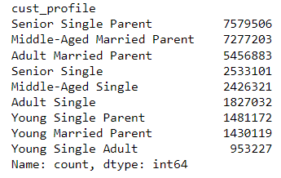
exclude_low _rev_cust.pkl | 'income_bracket' | income' | Low( <= 30000); Medium-Low(> 30000 & <=60000); Medium(> 60000 & <=90000); Upper-Medium (> 90000 & <=120000) & High (> 120000 & <=999999)
ords_prods_all.pkl | 'age_group' | age' | customer placed into profile according to age [young adult(<=25), adult (>25 & <=40), middle aged (>40 & <=60), senior(>60)];

6. Visualizations
 |  |  | Title page

Visualisations

In this tab you should include all the visualtions from Exercises 4.9 and 4.10, alongside the questions from the project brief that they answer. Include any commentary on the relationship between different variables.

How busy is each day of the week according to number of orders. Saturday and Sunday are the busiest days and Tuesday and Wednesday are the least busiest days. | The distribution of prices accross all orders. Customers sent much less on products that cost more than $15. | The busiest hours of the day which is beween 11:00 and 16:00. |  |  | The relationship between prices and the hour of the day. Customers spend low to average between 08:00 and 16:00 suggesting more routine and quick type orders.

The relationship between days of the week and spending. Spending is highest on Saturday and Friday. | The relationship between age and number of dependants is sporadic and has no decernable trend. | The higher salaries of more than 200 ,000.00 lie with customers between the ages of 40 and older. |  |  | New Customer - has made less than 10 orders; Regular Customer - has made between 10 and 40 orders; Loyal Customer - has made more than 40 orders

Instacart's customers are mostly Senior Single Parents (24,48%), Middle-Aged Married Parents (23.5%) and Adult Married Parent (17,62%). Together they account for 65,61% of customers. | The three customer profiles that account for 65,61% of customers earn salaries within the three highest brackets (High, Upper-Medium and Medium) | The South Region has the highest number of Instacart customers, and Northwest has the least number of Instacart customers |  |  | South Region has the highest number of Instacart customers and therefore also the highest salaries.

 |  |  |  | Customers seem to behave similarly when comparing their product type preferences accross all regions.

All customers show the same shopping preferences within the types of products. Top 5 Department_id's detail: 4 = Produce; 16 = Dairy & Eggs; 19 = Snacks; 7 = Beverages; 1 = Frozen

7. Recommendations
 |  |  |  |  |  | Title page

Recommendations

In this tab you should include any recommendations you would made to Instcart in terms of their marketing strategy based on the questions posed in the brief. Every key question has been covered in the Tasks of the Exercises - here you need to add an item - a visualisation or table/crosstable that is showing the answer in the data, acompanied by a comment from you. Please, list the questions below and add the answer underneath.

Key Question 1:
What are the busiest days of the week and hours of the day? And, what particular times of the day do people spend the most money?

36.61% of orders take place on Saturdays (0) and Sundays(1) = Busiest days of the week |  |  | The busiest time of day is between 11:00 and 16:00 with most sales taking place between 11:00 and 12:00 (lunch hour). |  |  |  | Customers spend low to average between 08:00 and 16:00 suggesting more routine and quick type orders. Customers spend more between 04:00 and 07:00 as well as 19:00 and 22:00 suggesting time to ponder on purchases.
39.86% of orders take place on Mondays(2), Thursdays(5) and Fridays(6) = Regular days of the week
23.53% of orders take place on Tuedays(3) and Wednesdays (4) = Slowest Days of the week

Recommendation:
-Consider scheduling ads out of peak hours (11:00 to 16:00) on the busiest and regular days to boost more sales during off-peak hours.
-On the slowest days, consider scheduling promotional adds throughout the day to boost sales.
-Product targeted ads:
 | -The 04:00 to 09:00 time bracket could be used to promote a broad range of products to attract customers who are more active early in the day.
 | - The 10:00 to 18:00 time bracket chould be used to promote high-priced products during customer's routine purchases.
 | -The 19:00 to 22:00 time bracket could be used to promote the very expensive products (premuim products) to target customers willing to make the purchase for premium.

Key Question 2:
Are there certain types of products that are more popular than others? Which departments have the highest frequency of product orders?
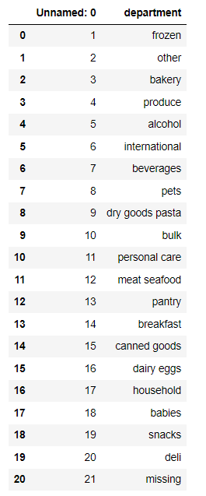

 |  |  |  | Highest Frequency products :
 |  |  |  | Produce - indicating a demand for fruits, vegetables, and other fresh items.
 |  |  |  | Dairy & eggs - indicating a demand for the perishable products milk, cheese, and eggs.
 |  |  |  | Snacks - This could include a variety of snack foods like chips, nuts, or other convenient and quick treats.
 |  |  |  | Bevearge - include different types of drinks such as soft drinks, juices, and other beverages.

 |  |  |  | Recommendations:
 |  |  |  | Bundle deals - bundle products of the above departments with a discount
 |  |  |  | Seasonal offerings - creating deals for specific holiday/religious seasons, weather seasons, harvest seasons, etc.
 |  |  |  | Featured product or brand - highlight a brand or product to drive sales

Key Question 3:
What’s the distribution among users in regards to their brand loyalty (i.e., how often do they return to Instacart)?

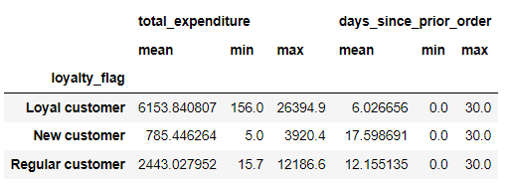
Customers have been divided into three flags:
New Customer - has made less than 10 orders
Regular Customer - has made between 10 and 40 orders
Loyal Customer - has made more than 40 orders

Distribution in percentage:
Regular Customer 49%
Loyal Customer 31,74%
New Customer 19,26%
 |  |  |  |  | -Loyal customers spend an average of $6153.84 which is 36% more than regular customers
 |  |  |  |  | -Loyal customers order on average once every week compared to regular customers who order once every second week

Recommendation:
-Referal promotion - motivate customers to refer friends and family to use the Insatcart app. Provide a unique code to the customer as a reward once the referal's first order has been completed.
-Create a loyalty programme based these three flags - motivate customers to place orders to reach the 'Loyal customer' flag by making use of special promotions, rewards and incentives.

Key Question 4:
Are there differences in ordering habits based on a customer’s loyalty status? Are there differences in ordering habits based on a customer’s region?

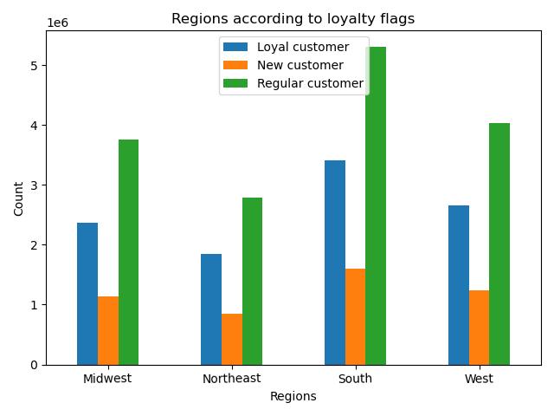
Highest Frequency products between regions and loyalty status remain the same:
Produce - indicating a demand for fruits, vegetables, and other fresh items.
Dairy & eggs - indicating a demand for the perishable products milk, cheese, and eggs.
Snacks - This could include a variety of snack foods like chips, nuts, or other convenient and quick treats.
Bevearge - include different types of drinks such as soft drinks, juices, and other beverages.
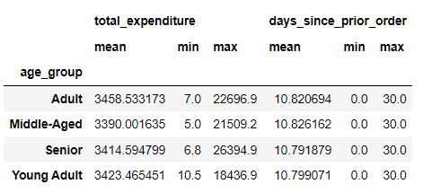

-All regions have very similar ordering habits if we look at the summarized data, Friday is the day with most orders, average spent per customer is around $ 3400 and an average of just below 11 days order frequency.

- The South has a high number of customers and will naturally have higher counts than other regions

Key Question 5:
Is there a connection between age and family status in terms of ordering habits? What different classifications information suggest

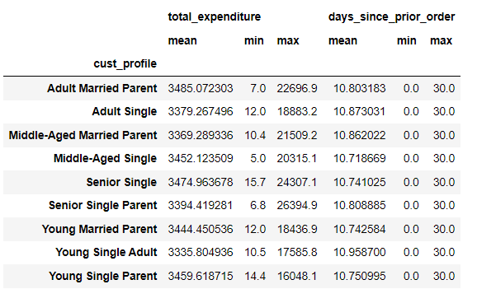
 |  | - Instacart's customers are mostly Senior Single Parents (24,48%), Middle-Aged Married Parents (23.5%) and Adult Married Parent (17,62%). Together they account for 65,61% of customers.

 |  | -If we look at the bar graphs Senior Single Parent, Middle-Aged Married Parent and Adult Married Parent stand out as the most loyal customers as well as the customers with highest buying power. But these three groups are also the biggest portion of Instacart's customer base.

 |  | - Disecting each group top ten purchased products showed very little differences in their shopping habits

 |  | -Taking a closer look at the average total spent per customer per customer profile,
 |  | -Parents as well as older (middle-aged, senior) customers spend on average slightly more than the other customer profiles.
 |  | -The higher the income bracket the more the customer will spend .

Recommendation:
Regardless of their profile, customers show the same ordering habits in terms of average spending, products purchased and departments most used.
Marketing startegies should be focused on customer retension and aquisition. Communicate with customers to give them the shopping experience they want and expect.

